Instructions
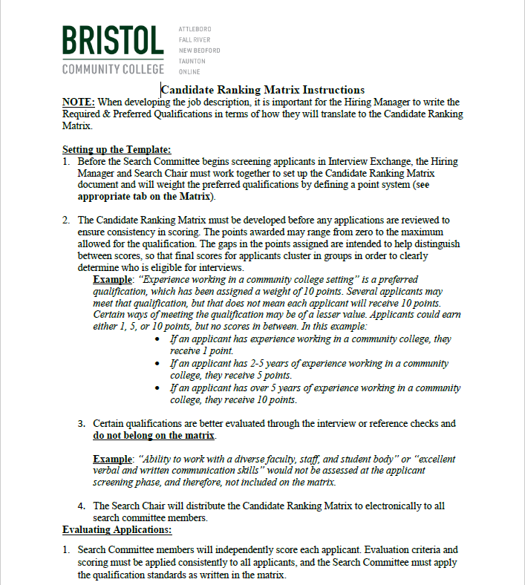

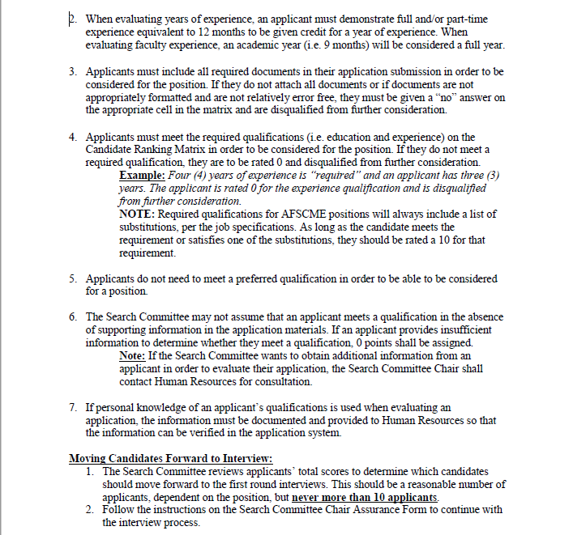

Candidate Ranking Matrix (1)

 |  |  |  |  | Candidate Ranking Matrix for Search Committees
 |  |  |  |  |  | Position Title:
 |  |  |  |  |  | Department:
 |  |  |  |  |  | Hiring Manager:
 |  |  |  |  |  | Completed By:

 |  |  |  |  | Qualifications must be based on what is reflected in the Job Description/Posting
Key |  |  |  |  | Required Qualifications must be met in order to move applicant forward. Please consider equivalent substitutions where applicable.
 | Disqualified from further consideration due to requirements. Filled cells will automatically clear if candidate meets Required Qualifications (i.e. score of 10)

 | Applicant's Name Review ALL APPLICANTS Tab in Interview Exchange
Scoring Keys | Resume & Cover Letter Attached, Appropriately Formatted, and Relatively Error Free (Answer "Yes" or "No")
0 = Does Not Meet Required Qualification 10 = Meets Required Qualification | Required Qualifications | Enter Education Requirement
 |  | Enter Experience Requirement
 |  | Enter Requirement (if applicable, or delete)
 |  | Enter Requirement (if applicable, or delete)
0 = Does Not Meet 1, 5, 10 = Search Chair/Hiring Manager to define how these scores are used (can use all, some, or none) see definition tab below | Preferred Qualifications (See definitions on tab below) | Enter Requirement (if applicable, or delete)
 |  | Enter Requirement (if applicable, or delete)
 |  | Enter Requirement (if applicable, or delete)
 |  | Enter Requirement (if applicable, or delete)
 |  | Enter Requirement (if applicable, or delete)
Total Score |  |  | 0 | 0 | 0 | 0 | 0 | 0 | 0 | 0 | 0 | 0 | 0 | 0 | 0 | 0 | 0

